Overall
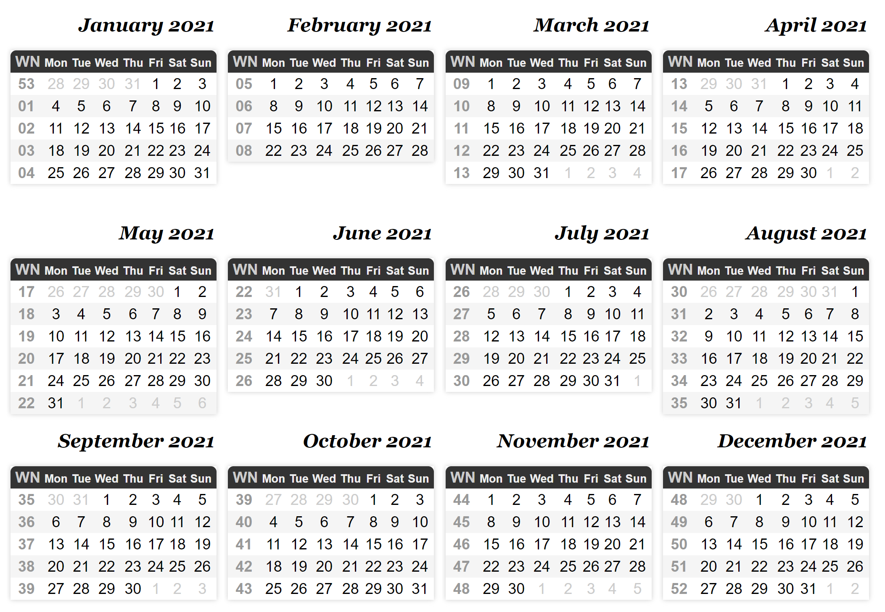
 | 1 | 2 | 3 | 4 | 5 | 6 | 7 | 8 | 9 | 10 | 11 | 12 | 13 | 14 | 15 | 16 | 17 | 18 | 19 | 20 | 21 | 22 | 23 | 24 | 25 | 26 | 27 | 28 | 29 | 30 | 31 | 32 | 33 | 34 | 35 | 36 | 37 | 38 | 39 | 40 | 41 | 42 | 43 | 44 | 45 | 46 | 47 | 48 | 49 | 50 | 51 | 52
Task
District Heating Network simulation tool
1. Backend
1.1 pipe model
1.2 other key element model
1.3 solver to network
2. API between backend and front end
3. Front end
3.1 read the pipes and visualization
3.2 add background maps
3.3 method to create, update and delete
4. Authentication and multiple users
Data Science
1. energy prediction models
1.1 Available methods
1.2 RNN Model
2. Additional course on Statistics
Web development
1. full stack web developer (udacity)
2. How to make a plotly dashboard
2. Figure out what is docker and how to use it
3. Learn how to use web hosting.
Swedish:
0. Check exam
1. Kvinna på tåget
2. Another book
3. Svenska Prov
Job in hangzhou
0. targeted company
1. CV
1. submit 10+ job appliations
2. Get 4+ interviews
3. Secure 2 final round interviews
Writting blogs
1. Finish 12 blogs on everyday life
2. Write 5 technical blogs.
3. build up a personal website
Books to read(10 books)
1. 社会心理学
2. 艺术史
3.今日简史
3. …...
Travel Plan
1. Go to US 2-3 times
2. To China
Training
1. GOAL: 75 kg
2. GOAL: max air intake rate to 49
Others
1. health check, mom and huang
2. housemaid with grandma

weightchart
Weight: Goal and Measurements
 | Goal (kg) |  | Measurement (kg)
2021-03-08 | 83 | 2021-03-08
2021-06-30 | 72 | 2021-03-09
2021-08-01 | 70 | 2021-03-10
2021-12-31 | 70 | 2021-03-11
 |  | 2021-03-12
 |  | 2021-03-13
 |  | 2021-03-14
 |  | 2021-03-15
 |  | 2021-03-16
 |  | 2021-03-17
 |  | 2021-03-18
 |  | 2021-03-19
 |  | 2021-03-20
 |  | 2021-03-21
 |  | 2021-03-22
 |  | 2021-03-23
 |  | 2021-03-24
 |  | 2021-03-25
 |  | 2021-03-26
 |  | 2021-03-27
 |  | 2021-03-28
 |  | 2021-03-29
 |  | 2021-03-30
 |  | 2021-03-31
 |  | 2021-04-01
 |  | 2021-04-02
 |  | 2021-04-03
 |  | 2021-04-04
 |  | 2021-04-05
 |  | 2021-04-06
 |  | 2021-04-07
 |  | 2021-04-08
 |  | 2021-04-09
 |  | 2021-04-10
 |  | 2021-04-11
 |  | 2021-04-12
 |  | 2021-04-13
 |  | 2021-04-14
 |  | 2021-04-15
 |  | 2021-04-16
 |  | 2021-04-17
 |  | 2021-04-18
 |  | 2021-04-19
 |  | 2021-04-20
 |  | 2021-04-21
 |  | 2021-04-22
 |  | 2021-04-23
 |  | 2021-04-24
 |  | 2021-04-25
 |  | 2021-04-26
...

Calories intake and Exercise
 |  | Exercise (kcal)
2021-03-08 | 1
2021-03-09
2021-03-10
2021-03-11
2021-03-12
2021-03-13
2021-03-14
2021-03-15
2021-03-16
2021-03-17
2021-03-18
2021-03-19
2021-03-20
2021-03-21
2021-03-22
2021-03-23
2021-03-24
2021-03-25
2021-03-26
2021-03-27
2021-03-28
2021-03-29
2021-03-30
2021-03-31
2021-04-01
2021-04-02
2021-04-03
2021-04-04
2021-04-05
2021-04-06
2021-04-07
2021-04-08
2021-04-09
2021-04-10
2021-04-11
2021-04-12
2021-04-13
2021-04-14
2021-04-15
2021-04-16
2021-04-17
2021-04-18
2021-04-19
2021-04-20
2021-04-21
2021-04-22
2021-04-23
2021-04-24
2021-04-25
2021-04-26
...

